新增
study | Country | plant | tissue | group | concerntration | treatment_n | log10 concentration
Shen et al., 2024 | China | Wheat | grain | PFBA | 0.2122 | 19 | -0.67325462043 | 2021
Shen et al., 2024 | China | Wheat | grain | PFPeA | 0.0385 | 19 | -1.4145392705 | 2021
Shen et al., 2024 | China | Wheat | grain | PFHxA | 0.0678 | 19 | -1.1687703061 | 2021
Shen et al., 2024 | China | Wheat | grain | PFHpA | 0.1087 | 19 | -0.96377045591 | 2021
Shen et al., 2024 | China | Wheat | grain | PFOA | 0.7816 | 19 | -0.10701544929 | 2021
Shen et al., 2024 | China | Wheat | grain | PFNA | 0.1515 | 19 | -0.81958736716 | 2021
Shen et al., 2024 | China | Wheat | grain | PFDA | 0.0806 | 19 | -1.0936649582 | 2021
Shen et al., 2024 | China | Wheat | grain | PFUdA | 0.1179 | 19 | -0.9284861949 | 2021
Shen et al., 2024 | China | Wheat | grain | PFDoA | 0.0598 | 19 | -1.223298816 | 2021
Shen et al., 2024 | China | Wheat | grain | GenX | 0.0597 | 19 | -1.2240256689 | 2021
Shen et al., 2024 | China | Wheat | grain | PFHxS | 0.1177 | 19 | -0.92922353716 | 2021
Shen et al., 2024 | China | Wheat | grain | PFOS | 0.2235 | 19 | -0.65072247253 | 2021
Shen et al., 2024 | China | Chinese chif | leaf | PFBA | 0.2197 | 8 | -0.65816994308 | 2021
Shen et al., 2024 | China | Chinese chif | leaf | PFPeA | 0.1144 | 8 | -0.94157397554 | 2021
Shen et al., 2024 | China | Chinese chif | leaf | PFHxA | 0.1625 | 8 | -0.78914663469 | 2021
Shen et al., 2024 | China | Chinese chif | leaf | PFHpA | 0.1563 | 8 | -0.80604102198 | 2021
Shen et al., 2024 | China | Chinese chif | leaf | PFOA | 2.0848 | 8 | 0.31906439837 | 2021
Shen et al., 2024 | China | Chinese chif | leaf | PFNA | 0.1466 | 8 | -0.83386602969 | 2021
Shen et al., 2024 | China | Chinese chif | leaf | PFDA | 0.2108 | 8 | -0.67612939346 | 2021
Shen et al., 2024 | China | Chinese chif | leaf | PFUdA | 0.3093 | 8 | -0.50962008 | 2021
Shen et al., 2024 | China | Chinese chif | leaf | PFDoA | 0.1494 | 8 | -0.82564940252 | 2021
Shen et al., 2024 | China | Chinese chif | leaf | HFPO-TA | 0.6414 | 8 | -0.19287104441 | 2021
Shen et al., 2024 | China | Chinese chif | leaf | GenX | 0.3725 | 8 | -0.42887372292 | 2021
Shen et al., 2024 | China | Chinese chif | leaf | PFHxS | 0.2356 | 8 | -0.62782471388 | 2021
Shen et al., 2024 | China | Chinese chif | leaf | PFOS | 0.5456 | 8 | -0.26312563835 | 2021
Shen et al., 2024 | China | Crowndaisy chrysanthemum | leaf | PFBA | 0.1880 | 3 | -0.72584215074 | 2021
Shen et al., 2024 | China | Crowndaisy chrysanthemum | leaf | PFPeA | 0.6520 | 3 | -0.18575240427 | 2021
Shen et al., 2024 | China | Crowndaisy chrysanthemum | leaf | PFHxA | 0.1447 | 3 | -0.83953146888 | 2021
Shen et al., 2024 | China | Crowndaisy chrysanthemum | leaf | PFHpA | 0.2025 | 3 | -0.69357497245 | 2021
Shen et al., 2024 | China | Crowndaisy chrysanthemum | leaf | PFOA | 2.2458 | 3 | 0.3513710775 | 2021
Shen et al., 2024 | China | Crowndaisy chrysanthemum | leaf | PFNA | 0.2640 | 3 | -0.57839607313 | 2021
Shen et al., 2024 | China | Crowndaisy chrysanthemum | leaf | PFDA | 0.2409 | 3 | -0.6181632 | 2021
Shen et al., 2024 | China | Crowndaisy chrysanthemum | leaf | PFUdA | 0.4121 | 3 | -0.38499738548 | 2021
Shen et al., 2024 | China | Crowndaisy chrysanthemum | leaf | PFDoA | 0.2236 | 3 | -0.65052820079 | 2021
Shen et al., 2024 | China | Crowndaisy chrysanthemum | leaf | HFPO-TA | 0.8281 | 3 | -0.081917215358 | 2021
Shen et al., 2024 | China | Crowndaisy chrysanthemum | leaf | GenX | 0.3362 | 3 | -0.4734022909 | 2021
Shen et al., 2024 | China | Crowndaisy chrysanthemum | leaf | PFHxS | 0.2574 | 3 | -0.58939145743 | 2021
Shen et al., 2024 | China | Crowndaisy chrysanthemum | leaf | PFOS | 0.9236 | 3 | -0.034516075755 | 2021
Shen et al., 2024 | China | Rape | leaf | PFBA | 0.1805 | 5 | -0.74352279376 | 2021
Shen et al., 2024 | China | Rape | leaf | PFPeA | 0.0868 | 5 | -1.0614802748 | 2021
Shen et al., 2024 | China | Rape | leaf | PFHxA | 0.1594 | 5 | -0.79751168294 | 2021
Shen et al., 2024 | China | Rape | leaf | PFHpA | 0.4657 | 5 | -0.33189376207 | 2021
Shen et al., 2024 | China | Rape | leaf | PFOA | 2.2823 | 5 | 0.35837273026 | 2021
Shen et al., 2024 | China | Rape | leaf | PFNA | 0.3415 | 5 | -0.46660929198 | 2021
Shen et al., 2024 | China | Rape | leaf | PFDA | 0.1774 | 5 | -0.7510463845 | 2021
Shen et al., 2024 | China | Rape | leaf | PFUdA | 0.3314 | 5 | -0.47964749592 | 2021
Shen et al., 2024 | China | Rape | leaf | PFDoA | 0.2401 | 5 | -0.61960783994 | 2021
Shen et al., 2024 | China | Rape | leaf | HFPO-TA | 0.4992 | 5 | -0.30172542333 | 2021
Shen et al., 2024 | China | Rape | leaf | GenX | 0.5144 | 5 | -0.28869904008 | 2021
Shen et al., 2024 | China | Rape | leaf | PFHxS | 1.3529 | 5 | 0.13126569678 | 2021
Shen et al., 2024 | China | Rape | leaf | PFOS | 3.6909 | 5 | 0.56713227873 | 2021
Shen et al., 2024 | China | Naked oat | leaf | PFBA | 0.2088 |  | -0.68026950567 | 2021
Shen et al., 2024 | China | Naked oat | leaf | PFPeA | 0.1315 |  | -0.88107424717 | 2021
Shen et al., 2024 | China | Naked oat | leaf | PFHxA | 0.2174 |  | -0.66274046025 | 2021
Shen et al., 2024 | China | Naked oat | leaf | PFHpA | 0.1332 |  | -0.87549577517 | 2021
Shen et al., 2024 | China | Naked oat | leaf | PFOA | 2.6891 |  | 0.4296069527 | 2021
Shen et al., 2024 | China | Naked oat | leaf | PFNA | 0.1261 |  | -0.89928491343 | 2021
Shen et al., 2024 | China | Naked oat | leaf | PFDA | 0.1716 |  | -0.76548271649 | 2021
Shen et al., 2024 | China | Naked oat | leaf | PFUdA | 0.2789 |  | -0.55455148573 | 2021
Shen et al., 2024 | China | Naked oat | leaf | PFDoA | 0.1274 |  | -0.894830572 | 2021
Shen et al., 2024 | China | Naked oat | leaf | HFPO-TA | 0.5636 |  | -0.24902901556 | 2021
Shen et al., 2024 | China | Naked oat | leaf | GenX | 2.4626 |  | 0.39139387514 | 2021
Shen et al., 2024 | China | Naked oat | leaf | PFHxS | 0.5626 |  | -0.24980027217 | 2021
Shen et al., 2024 | China | Naked oat | leaf | PFOS | 1.8776 |  | 0.27360307659 | 2021
Shen et al., 2024 | China | Lettuce | leaf | PFBA | 0.3423 |  | -0.46559310086 | 2021
Shen et al., 2024 | China | Lettuce | leaf | PFPeA | 0.8783 |  | -0.056357117248 | 2021
Shen et al., 2024 | China | Lettuce | leaf | PFHxA | 0.1875 |  | -0.72699872794 | 2021
Shen et al., 2024 | China | Lettuce | leaf | PFHpA | 0.2054 |  | -0.68739956074 | 2021
Shen et al., 2024 | China | Lettuce | leaf | PFOA | 1.5143 |  | 0.18021192235 | 2021
Shen et al., 2024 | China | Lettuce | leaf | PFNA | 0.2723 |  | -0.56495235866 | 2021
Shen et al., 2024 | China | Lettuce | leaf | PFDA | 0.1998 |  | -0.69940451611 | 2021
Shen et al., 2024 | China | Lettuce | leaf | PFUdA | 0.3035 |  | -0.51784130459 | 2021
Shen et al., 2024 | China | Lettuce | leaf | PFDoA | 0.1463 |  | -0.83475567387 | 2021
Shen et al., 2024 | China | Lettuce | leaf | HFPO-TA | 0.6883 |  | -0.16222223045 | 2021
Shen et al., 2024 | China | Lettuce | leaf | GenX | 0.1002 |  | -0.99913227847 | 2021
Shen et al., 2024 | China | Lettuce | leaf | PFHxS | 4019.0000 |  | 3.6041180062 | 2021
Shen et al., 2024 | China | Lettuce | leaf | PFOS | 2.2008 |  | 0.34258057738 | 2021
Shen et al., 2024 | China | Cilantro | leaf | PFBA | 0.2256 |  | -0.64666090469 | 2021
Shen et al., 2024 | China | Cilantro | leaf | PFPeA | 0.7026 |  | -0.15329185454 | 2021
Shen et al., 2024 | China | Cilantro | leaf | PFHxA | 0.1466 |  | -0.83386602969 | 2021
Shen et al., 2024 | China | Cilantro | leaf | PFHpA | 0.3389 |  | -0.46992843116 | 2021
Shen et al., 2024 | China | Cilantro | leaf | PFOA | 1.1621 |  | 0.065243501186 | 2021
Shen et al., 2024 | China | Cilantro | leaf | PFNA | 0.2623 |  | -0.58120170941 | 2021
Shen et al., 2024 | China | Cilantro | leaf | PFDA | 0.2232 |  | -0.65130580973 | 2021
Shen et al., 2024 | China | Cilantro | leaf | PFUdA | 0.3235 |  | -0.490125715 | 2021
Shen et al., 2024 | China | Cilantro | leaf | HFPO-TA | 0.8839 |  | -0.053596866101 | 2021
Shen et al., 2024 | China | Cilantro | leaf | GenX | 0.1480 |  | -0.82973828461 | 2021
Shen et al., 2024 | China | Cilantro | leaf | PFHxS | 0.8688 |  | -0.061080187755 | 2021
Shen et al., 2024 | China | Cilantro | leaf | PFOS | 0.3950 |  | -0.40340290437 | 2021
Shen et al., 2024 | China | Pakchoi | leaf | PFBA | 0.2131 |  | -0.67141655029 | 2021
Shen et al., 2024 | China | Pakchoi | leaf | PFPeA | 0.1049 |  | -0.97922451181 | 2021
Shen et al., 2024 | China | Pakchoi | leaf | PFHxA | 0.2321 |  | -0.63432485954 | 2021
Shen et al., 2024 | China | Pakchoi | leaf | PFHpA | 0.1825 |  | -0.73873713121 | 2021
Shen et al., 2024 | China | Pakchoi | leaf | PFOA | 1.7897 |  | 0.2527802381 | 2021
Shen et al., 2024 | China | Pakchoi | leaf | PFNA | 0.1646 |  | -0.78357016912 | 2021
Shen et al., 2024 | China | Pakchoi | leaf | PFDA | 0.2100 |  | -0.67778070527 | 2021
Shen et al., 2024 | China | Pakchoi | leaf | PFUdA | 0.3371 |  | -0.47224124748 | 2021
Shen et al., 2024 | China | Pakchoi | leaf | PFDoA | 0.1757 |  | -0.7552282385 | 2021
Shen et al., 2024 | China | Pakchoi | leaf | HFPO-TA | 0.6880 |  | -0.16241156176 | 2021
Shen et al., 2024 | China | Pakchoi | leaf | GenX | 0.4829 |  | -0.3161427946 | 2021
Shen et al., 2024 | China | Pakchoi | leaf | PFHxS | 0.2548 |  | -0.59380057634 | 2021
Shen et al., 2024 | China | Pakchoi | leaf | PFOS | 0.6181 |  | -0.20894125641 | 2021
Shen et al., 2024 | China | Spinach | leaf | PFBA | 0.4239 |  | -0.37273658343 | 2021
Shen et al., 2024 | China | Spinach | leaf | PFPeA | 0.3343 |  | -0.47586362341 | 2021
Shen et al., 2024 | China | Spinach | leaf | PFHxA | 0.4052 |  | -0.39233056331 | 2021
Shen et al., 2024 | China | Spinach | leaf | PFHpA | 0.1744 |  | -0.7584535194 | 2021
Shen et al., 2024 | China | Spinach | leaf | PFOA | 1.5974 |  | 0.2034136801 | 2021
Shen et al., 2024 | China | Spinach | leaf | PFNA | 0.2055 |  | -0.68718817379 | 2021
Shen et al., 2024 | China | Spinach | leaf | PFDA | 0.1910 |  | -0.71896663275 | 2021
Shen et al., 2024 | China | Spinach | leaf | PFUdA | 0.2702 |  | -0.56831465531 | 2021
Shen et al., 2024 | China | Spinach | leaf | PFDoA | 0.1530 |  | -0.81530856918 | 2021
Shen et al., 2024 | China | Spinach | leaf | HFPO-TA | 0.6843 |  | -0.16475346 | 2021
Shen et al., 2024 | China | Spinach | leaf | GenX | 0.2172 |  | -0.66314017908 | 2021
Shen et al., 2024 | China | Spinach | leaf | PFHxS | 0.8202 |  | -0.086080235049 | 2021
Shen et al., 2024 | China | Spinach | leaf | PFOS | 0.7922 |  | -0.10116516193 | 2021
Shen et al., 2024 | China | Cabbage | leaf | PFBA | 0.3333 |  | -0.47716468634 | 2021
Shen et al., 2024 | China | Cabbage | leaf | PFPeA | 0.0585 |  | -1.2328441339 | 2021
Shen et al., 2024 | China | Cabbage | leaf | PFHxA | 0.5450 |  | -0.26360349772 | 2021
Shen et al., 2024 | China | Cabbage | leaf | PFHpA | 0.1005 |  | -0.99783393824 | 2021
Shen et al., 2024 | China | Cabbage | leaf | PFOA | 1.1636 |  | 0.065803712575 | 2021
Shen et al., 2024 | China | Cabbage | leaf | PFNA | 0.1592 |  | -0.7980569366 | 2021
Shen et al., 2024 | China | Cabbage | leaf | PFDA | 0.1488 |  | -0.82739706879 | 2021
Shen et al., 2024 | China | Cabbage | leaf | PFUdA | 0.2201 |  | -0.65737995745 | 2021
Shen et al., 2024 | China | Cabbage | leaf | PFDoA | 0.1263 |  | -0.89859664944 | 2021
Shen et al., 2024 | China | Cabbage | leaf | GenX | 0.3919 |  | -0.40682473652 | 2021
Shen et al., 2024 | China | Cabbage | leaf | PFHxS | 0.3070 |  | -0.51286162452 | 2021
Shen et al., 2024 | China | Cabbage | leaf | PFOS | 0.2283 |  | -0.64149408851 | 2021
Shen et al., 2024 | China | Garlic | root | PFBA | 0.2154 |  | -0.66675430104 | 2021
Shen et al., 2024 | China | Garlic | root | PFPeA | 0.0667 |  | -1.1758741661 | 2021
Shen et al., 2024 | China | Garlic | root | PFHxA | 0.1360 |  | -0.86646109163 | 2021
Shen et al., 2024 | China | Garlic | root | PFHpA | 0.1092 |  | -0.96177736163 | 2021
Shen et al., 2024 | China | Garlic | root | PFOA | 2.6722 |  | 0.42686895966 | 2021
Shen et al., 2024 | China | Garlic | root | PFNA | 0.1016 |  | -0.99310629205 | 2021
Shen et al., 2024 | China | Garlic | root | PFDA | 0.0994 |  | -1.0026136156 | 2021
Shen et al., 2024 | China | Garlic | root | PFUdA | 0.1580 |  | -0.80134291305 | 2021
Shen et al., 2024 | China | Garlic | root | PFDoA | 0.1019 |  | -0.99182581599 | 2021
Shen et al., 2024 | China | Garlic | root | HFPO-TA | 0.3706 |  | -0.43109458502 | 2021
Shen et al., 2024 | China | Garlic | root | GenX | 0.3292 |  | -0.48254017346 | 2021
Shen et al., 2024 | China | Garlic | root | PFHxS | 1.0507 |  | 0.021478732258 | 2021
Shen et al., 2024 | China | Garlic | root | PFOS | 0.9582 |  | -0.018543833478 | 2021
Shen et al., 2024 | China | kohlrabi | root | PFBA | 0.0933 |  | -1.0301535052 | 2021
Shen et al., 2024 | China | kohlrabi | root | PFPeA | 0.0336 |  | -1.4734249681 | 2021
Shen et al., 2024 | China | kohlrabi | root | PFHxA | 0.1250 |  | -0.90325647903 | 2021
Shen et al., 2024 | China | kohlrabi | root | PFHpA | 0.0796 |  | -1.0991212294 | 2021
Shen et al., 2024 | China | kohlrabi | root | PFOA | 1.0736 |  | 0.03085143353 | 2021
Shen et al., 2024 | China | kohlrabi | root | PFNA | 0.0915 |  | -1.0383852005 | 2021
...
 |  |  |  | group | concerntration | treatment_n | log10 concentration
 |  |  |  | PFHxA | 0.129 |  | -0.8894102897
 |  |  |  | PFHxA | 0.185 |  | -0.7328282716
 |  |  |  | PFHxA | 0.106 |  | -0.97469413474
 |  |  |  | PFHxA | 0.043 |  | -1.3665315444
 |  |  |  | PFOA | 0.719 |  | -0.14327110962
 |  |  |  | PFOA | 0.398 |  | -0.40011692793
 |  |  |  | PFOA | 0.225 |  | -0.64781748189
 |  |  |  | PFOA | 0.327 |  | -0.48545224734
 |  |  |  | PFOA | 0.336 |  | -0.47366072261
 |  |  |  | PFOA | 0.22 |  | -0.65757731918
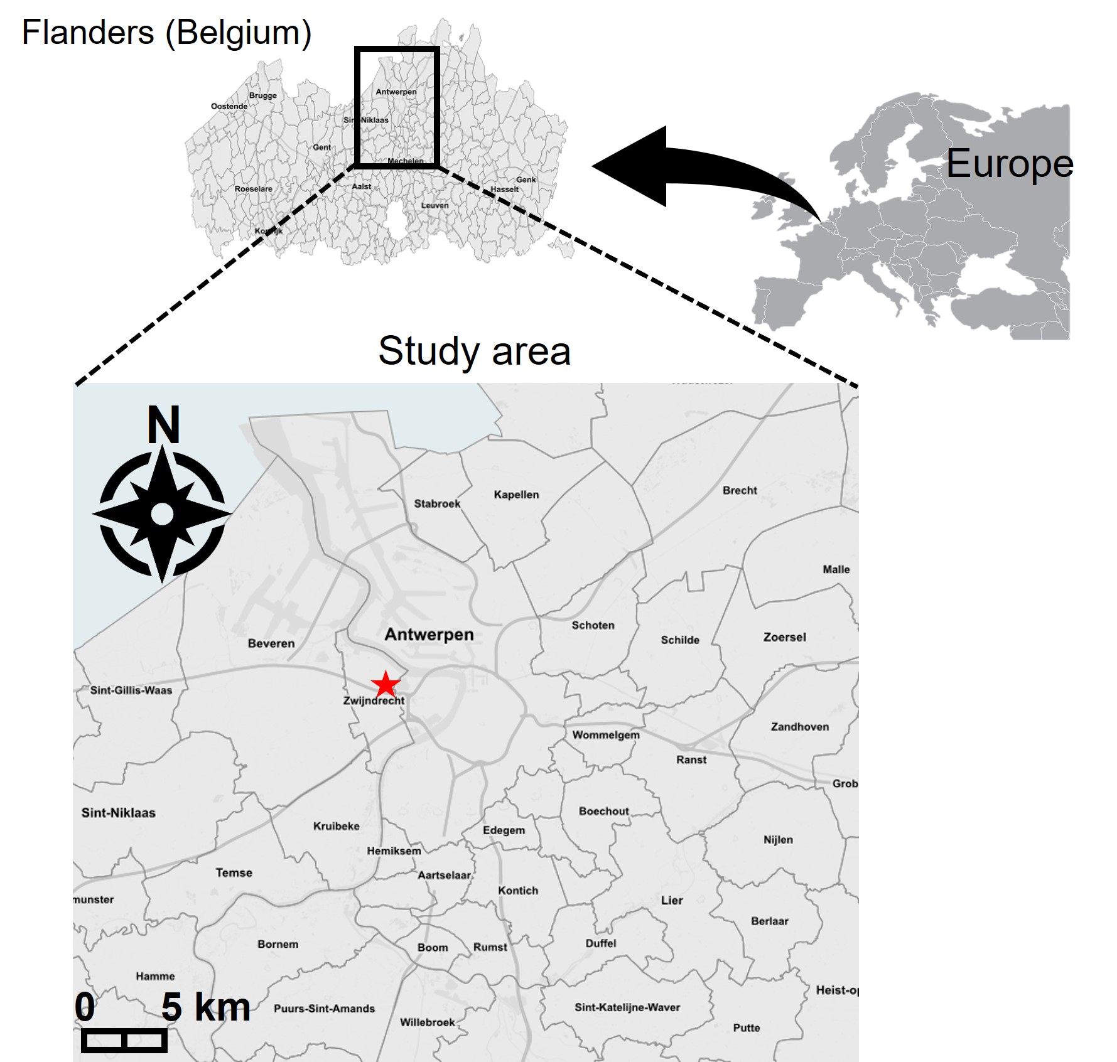
 |  |  |  | PFOA | 0.256 |  | -0.59176003469
 |  |  |  | PFOA | 0.188 |  | -0.72584215074
 |  |  |  | PFOA | 0.145 |  | -0.83863199777
 |  |  |  | PFHxS | 0.083 |  | -1.0809219076
 |  |  |  | PFHxS | 0.074 |  | -1.1307682803
 |  |  |  | PFOS | 0.053 |  | -1.2757241304
 |  |  |  | PFOS | 0.033 |  | -1.4814860601
 |  |  |  | PFOS | 0.017 |  | -1.7695510786
 |  |  |  | PFOS | 0.061 |  | -1.214670165
 |  |  |  | PFOS | 0.01 |  | -2
 |  |  |  | PFOS | 0.016 |  | -1.7958800173
 |  |  |  | PFOS | 0.013 |  | -1.8860566477
 |  |  |  | PFBS | 0.655 |  | -0.18375870001
 |  |  |  | PFBS | 0.074 |  | -1.1307682803
 |  |  |  | PFBS | 0.284 |  | -0.54668165995
 |  |  |  | PFBS | 0.038 |  | -1.4202164034
 |  |  |  | PFBS | 0.184 |  | -0.73518217699
 |  |  |  | PFBS | 0.177 |  | -0.75202673364
 |  |  |  | PFBS | 0.151 |  | -0.82102305271
 |  |  |  | PFBS | 0.013 |  | -1.8860566477
 |  |  |  | PFDA | 0.232 |  | -0.63451201511
 |  |  |  | PFDA | 0.217 |  | -0.66354026615
 |  |  |  | PFDA | 0.145 |  | -0.83863199777
 |  |  |  | PFDA | 0.15 |  | -0.82390874094
 |  |  |  | PFDA | 0.182 |  | -0.73992861201
 |  |  |  | PFDA | 0.121 |  | -0.91721462968
 |  |  |  | PFDA | 0.138 |  | -0.8601209136
 |  |  |  | PFDA | 0.104 |  | -0.9829666607
 |  |  |  | PFDA | 0.045 |  | -1.3467874862
 |  |  |  | 6:2 FTS | 0.567 |  | -0.24641694111
 |  |  |  | 6:2 FTS | 0.224 |  | -0.64975198167
 |  |  |  | 6:2 FTS | 0.567 |  | -0.24641694111
 |  |  |  | 6:2 FTS | 0.457 |  | -0.34008379993
 |  |  |  | 6:2 FTS | 0.108 |  | -0.96657624451
 |  |  |  | PFNA | 0.02 |  | -1.6989700043
 |  |  |  | PFNA | 0.023 |  | -1.638272164
 |  |  |  | PFNA | 0.027 |  | -1.5686362358
 |  |  |  | PFOA | 0.004 |  | -2.3979400087
 |  |  |  | PFOA | 0.001 |  | -3
 |  |  |  | PFOA | 0.001 |  | -3
 |  |  |  | PFOA | 0.668 |  | -0.17522353752
 |  |  |  | PFOA | 0.103 |  | -0.98716277529
...

